Sheet1
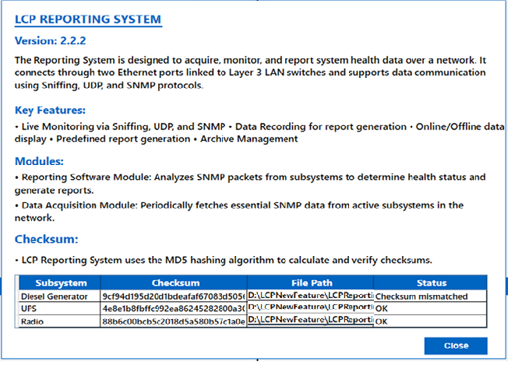
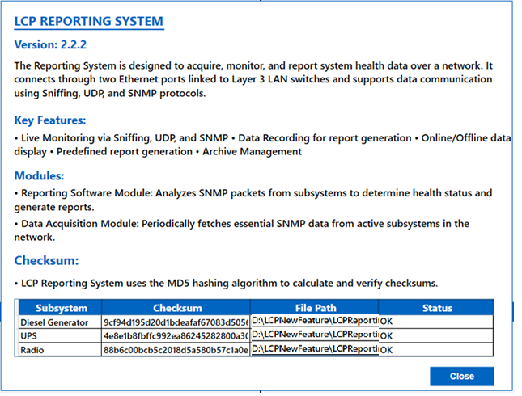
The About window shows the “LCP Reporting System” Version 2.2.2. The top section contains the product name, version, and a brief description explaining that this system is designed for acquiring, monitoring, and reporting system health data over a network, supporting protocols such as SNMP, UDP, and packet sniffing.
Key features are listed as bullets and include live monitoring, data recording for reports, online/offline display, predefined report generation, and archive management. Two main modules are described: a Reporting Software Module (which analyzes SNMP packets to generate reports) and a Data Acquisition Module (which fetches SNMP data periodically).
The lower part of the image shows a table labeled “Checksum” with columns for Subsystem, Checksum, File Path, and Status. Two subsystems are listed: Diesel Generator and UPS, each with its respective checksum values, file paths, and a status marked “OK”.

1.1.1 Check Sum changed
The message "MIB file changed" in the checksum status indicates that the Management Information Base (MIB) file for the Diesel Generator subsystem has been modified since the last integrity check, as detected by a difference in the computed checksum value. This status suggests that the current checksum of the MIB file no longer matches the previously recorded checksum, alerting administrators to possible updates or tampering with the MIB file that defines SNMP objects and data for the subsystem. Regular monitoring of such changes is crucial, as an altered MIB may affect SNMP data interpretation and overall network management

